BACB36-HC
BACB36-HC
Part No. | Part Name | Specification | Image | Required Qt'y | List Price
CB1489A010 | CABINET RAIL LEFT | ASS'Y - 36/48 | 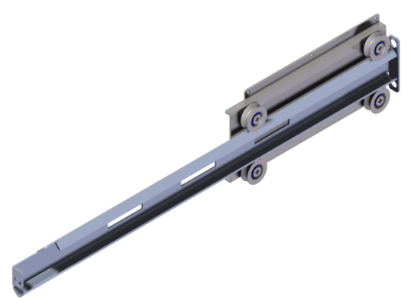 | 2 | $327.50
RAIL - LF
RAIL SUPPORT
F0036L030 | RAIL SUPPORT | STS445NF |  | 2 | $79.80
F0160L041 | RAIL | STS445NF |  | 2 | $71.60
BEARING DRAWER (V)
BEARING NUT
F0110L020 | BACB CABINET ROLLER | STS303 |  | 8 | $39.80
JN62060615 | BEARING NUT | STS303, M6-MR |  | 8 | $1.00
CB1489A020 | CABINET RAIL RIGHT | ASS'Y - 36/48 | 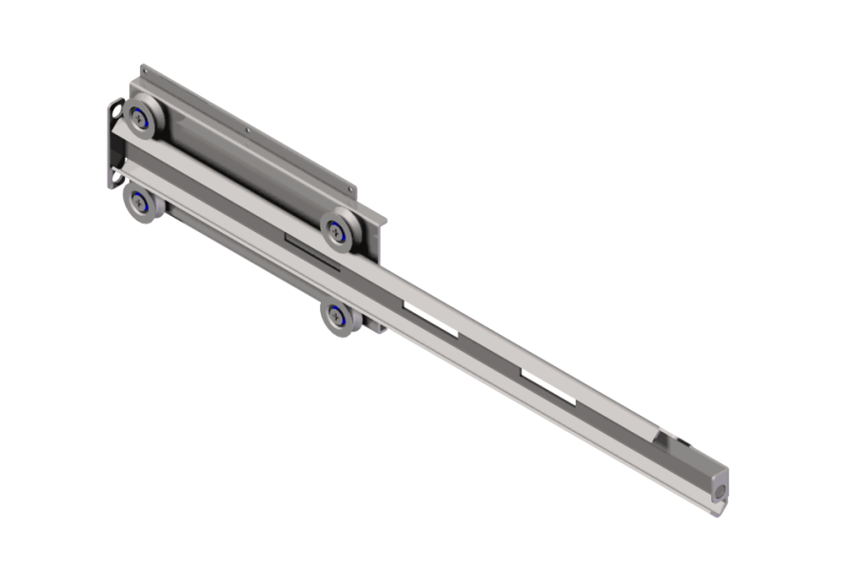 | 2 | $327.50
F0036L030 | RAIL SUPPORT, BACB36,48 | STS445NF |  | 2 | $79.80
BEARING DRAWER (V)
F0160L051 | CHEF BASE RAIL | STS445NF |  | 2 | $74.70
BEARING NUT
F0110L020 | BACB CABINET ROLLER | STS303 |  | 8 | $39.80
JN62060615 | BEARING NUT | STS303, M6-MR |  | 8 | $1.00
CB1369A020 | Tray Frame ASSY | ASSY | 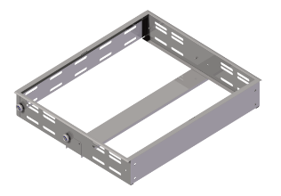 | 2 | $899.70
CB1369A160 | DOOR ASSEMBLY- NEW HANDLE | STS430, URT |  | 2 | $337.50
CB1361X010 | GASKET | PVC-S 36Model | 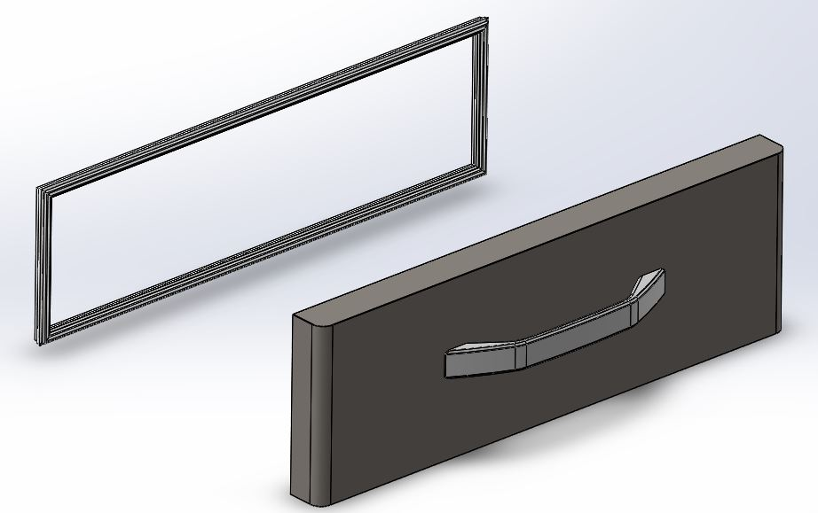 | 2 | $71.40
CP1001A080 | CONDENSER ASSY 4X10 | ASSY |  | 1 | $377.10
F0166L011 | CONDENSER 4*10 | Fe, Ø4.76, 4x10 W130×D86×H228 |  | 1 | $332.20
CB1361T070 | EVAPORATOR COIL | 4S*3R, 1/3" CU, 342mm | 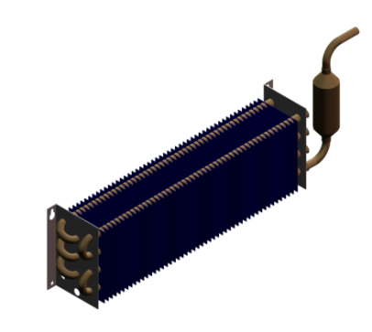 | 1 | $446.60
CP1001T470 | DRYER | XH-9,15g Φ3 / Φ6.5 |  | 1 | $34.80
CB1361T090 | CAPILLARY & SUCTION PIPE ASSY | CU PIPE 7.94 , ID1.0 x L2000 |  | 1 | $158.40
CP1005E270 | THERMOSTAT | GNF-100(131A) | 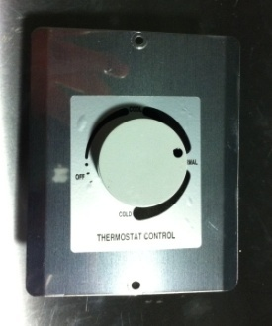 | 1 | $117.80
F0167A010 | THERMOSTAT KNOB | ABS |  | 1 | $11.80
F0148C010 | THERMOSTAT PLATE | Stainless steel |  | 1 | $11.80
CP1005E190 | COMPRESSOR,EM2X3117U | EM2X3117U |  | 1 | $1,046.90
CP1001A110 | STARTING CAPACITOR, EM2X3117U | QP2-4.7, DRB44N61A2, 450VAC-20㎌ |  | 1 | $243.60
F0129P010 | HARNESS MAIN. | AWM1015 |  | 1 | $49.70
PP1441E090 | HARNESS COMP (R290) | AWM1015 |  | 1 | $34.80
F0111C020 | POWER CORD | 125V 15A |  | 1 | $95.00
CP1005E330 | TEMPERATURE DISPLAY, Since July 2019 | XT11SH-4100N, 115V, ℉ | 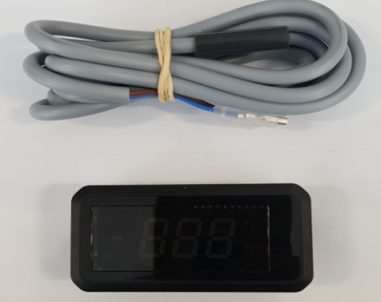 | 1 | $674.80
CP1005E210 | CONDENSER FAN MOTOR | DAI-8204DYCA-2 / 6W |  | 1 | $237.40
F0120C019 | CONDENSER FAN MOTOR BLADE | AL, Φ170 |  | 1 | $29.80
F0140C020 | EVAPORATOR FAN MOTOR | 115V/60Hz, DAI6122 FRTA(C.C.W) |  | 1 | $158.00
R3723-081 | EVAPORATOR FAN BLADE | ABS, Φ110 |  | 1 | $21.60
F0160L113 | PAN DIVIDER (Front to Back) | STS445NF, T1.0 |  | 2 | $79.50
F0160L103 | PAN DIVIDER (Side to Side) | STS445NF, T1.0 |  | Option | $60.50
F0148L030 | SIDE COVER | STS430 |  | 1 | $119.20
CB1361N450 | FRONT COVER | STS430 |  | 1 | $119.20
CB1361W030 | BACK COVER | WIRE |  | 1 | $89.40
CB1361N030 | EVAPORATOR FAN GUARD | STS445NF 36 |  | 1 | $94.40
CB1361N020 | EVAPORATOR DUCT | STS445NF 36 |  | 1 | $74.60
R322A-020 | 4" CASTER PLATE TYPE, WITHOUT BRAKE |  |  | 2 | $42.80
R322A-030 | 4" CASTER PLATE TYPE, |  |  | 2 | $47.60
F0104L010 | DRAIN TRAY | GI + Black Coating |  | 1 | $49.50
CB1361N010 | DRAIN PAN | STS445NF 36 |  | 1 | $39.80

